Sheet1
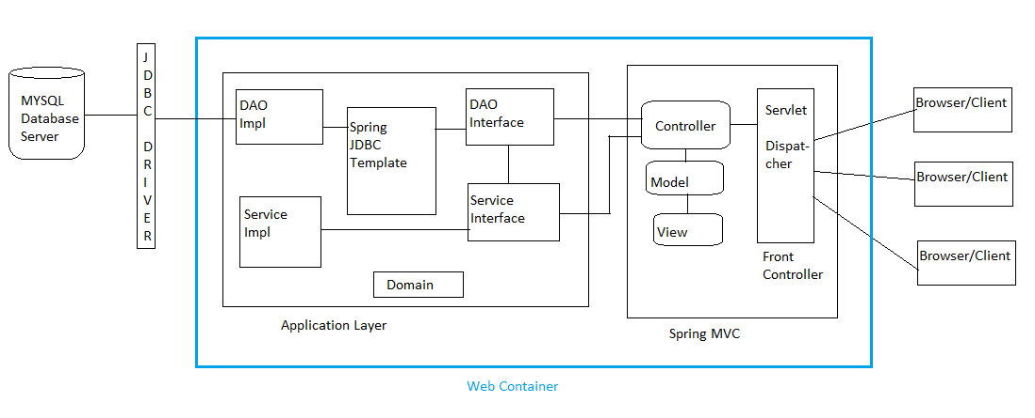
PEM-Personal Expense Manager

Architecture Diagram:

